Media Advocacy & Other Helpli
RESOURCES FOR SHARING VERIFIED COVID-19 INFORMATION AND BUSTING MYTHS

NAME OF ORG/WEBSITE | NOTES | CONTACT DETAILS
WHO WhatsApp alerts | Alerts in English (can be translated into Indian langauges as per requirements) . | Send "hi" to +41 79 893 18 92 on WhatsApp. wa.me/41798931892?text=hi
MyGov and WhatsApp's chatbot | WhatsApp Alerts 24*7 | Save 9013151515 on your phone. Send a message to this number from WhatsApp saying "Hi" or "Hello" etc. This will initiate a chat and you will be able to ask Covid-19 questions.
BBC India | BBC available in the following Indian languages (can be used to share verified posters, videos, articles, etc) with communities: Marathi, Bangla, Urdu, Hindi, Tamil, Gujarati and Punjabi | https://www.bbc.com
Indian Government's Central Helpline | For general queries | 91-11-23978046, https://www.mygov.in/covid-19/

State-wise helplines
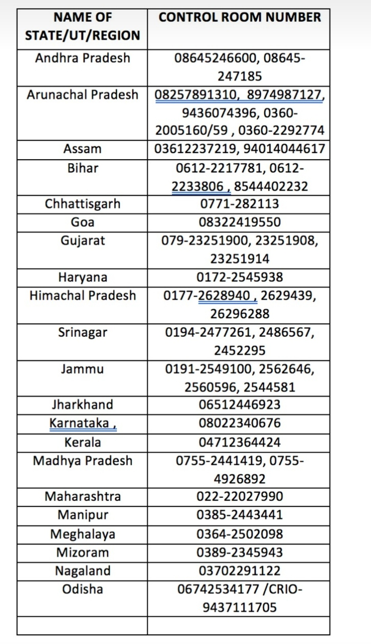
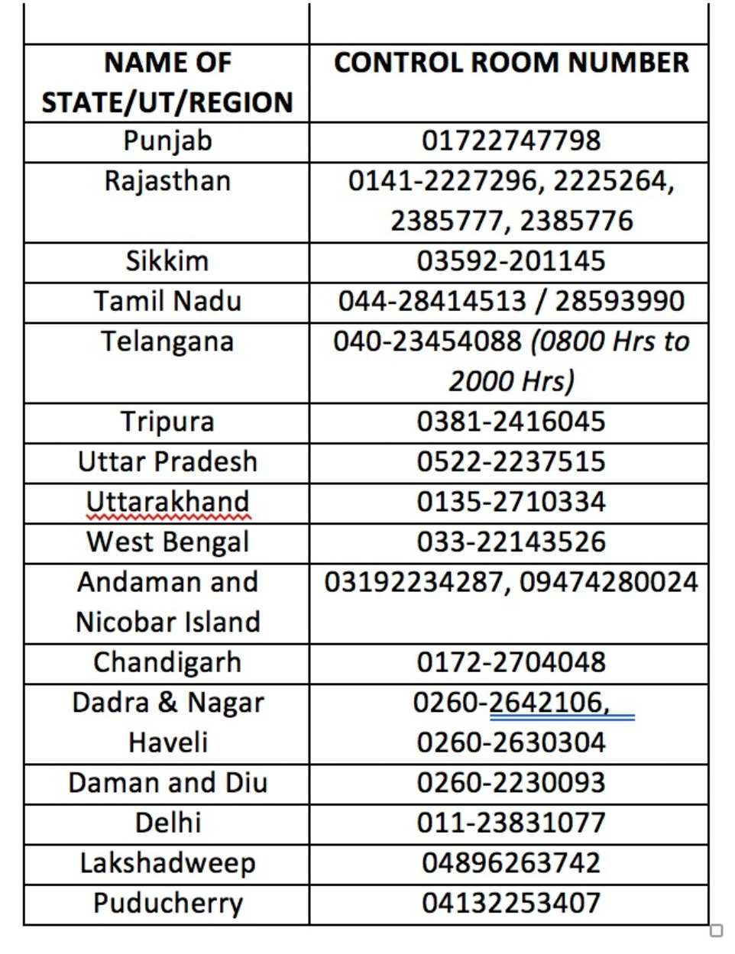

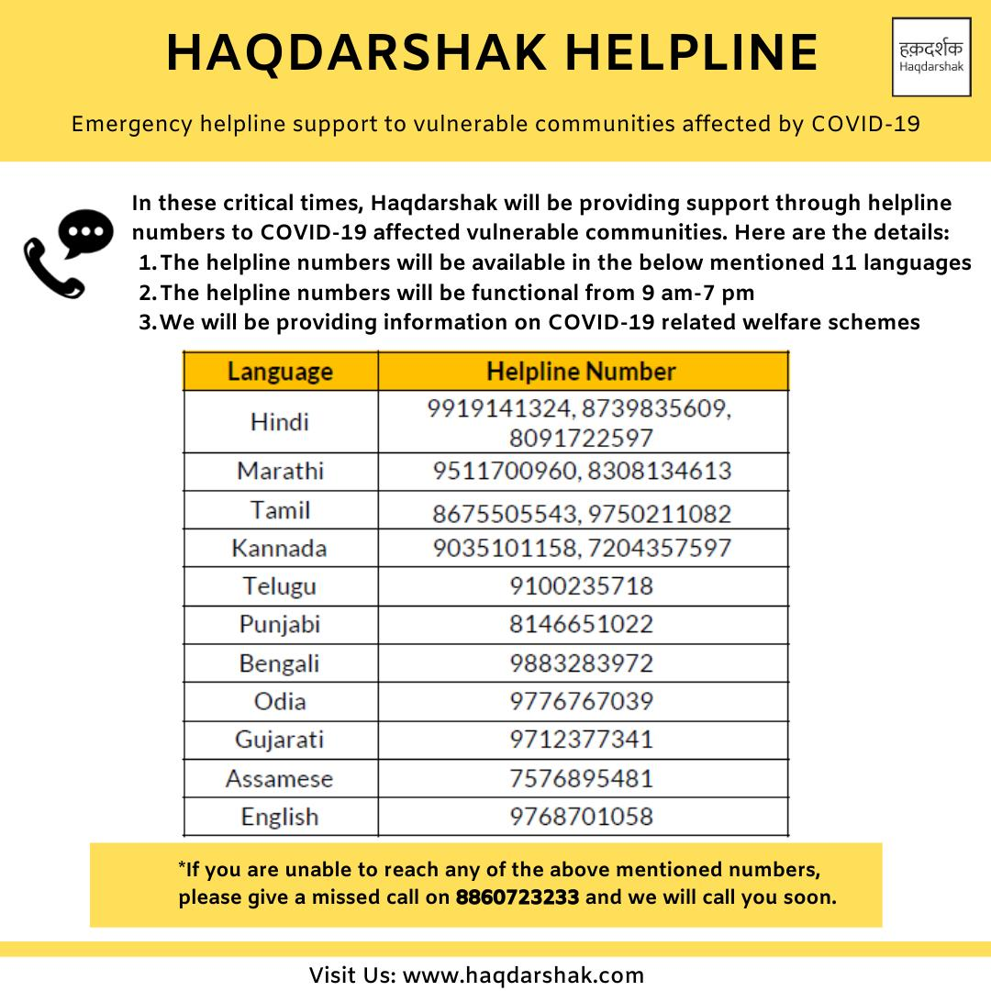

List of topics/themes on which alerts could be shared by us:

The science and health aspects behind Covid-19
Data on latest cases, trends, rate of transmission, etc
Govt relief measures and announcements
What can people do to stay safe (Handwashing, social distancing, eating well, etc)
Symptoms and how to identify them
Stories from people who've recovered around the world
Other encouraging/positive stories of Covid-19 for morale boosting
Helplines and info on essential supplies
Resources for students to learn and grow (especially important for kids who've completed Grade 10 exams and are sitting idle at home, and don't have a teacher who is actively working with them! Their Grade 11 admission timelines would be far, far away and they could use this time to learn)

Note: It is a good idea to space out info/texts and share them only twice or thrice a week so that our communities don't feel the pain of information overload. Simple, clean and clear posters and videos in regional languages always help.

